バッチパフォーマンス報告
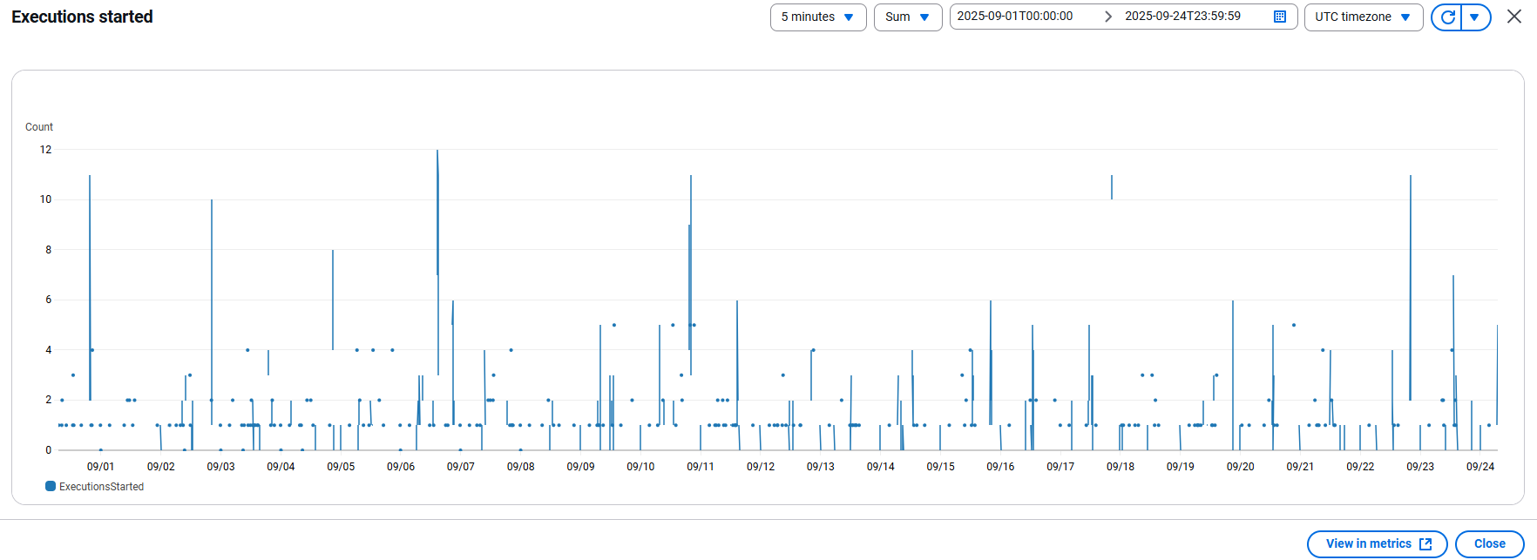
 | バッチパフォーマンス報告

1 | 概要
 | 報告期間：
 |  | 2025/09/01 ~ 2025/09/24
 | 対象環境：
 |  | 本番環境
 | 対象リソース：
 |  | イシダ様向けのバッチ処理

2 | ダッシュボード
 | 2.1 | Import OC
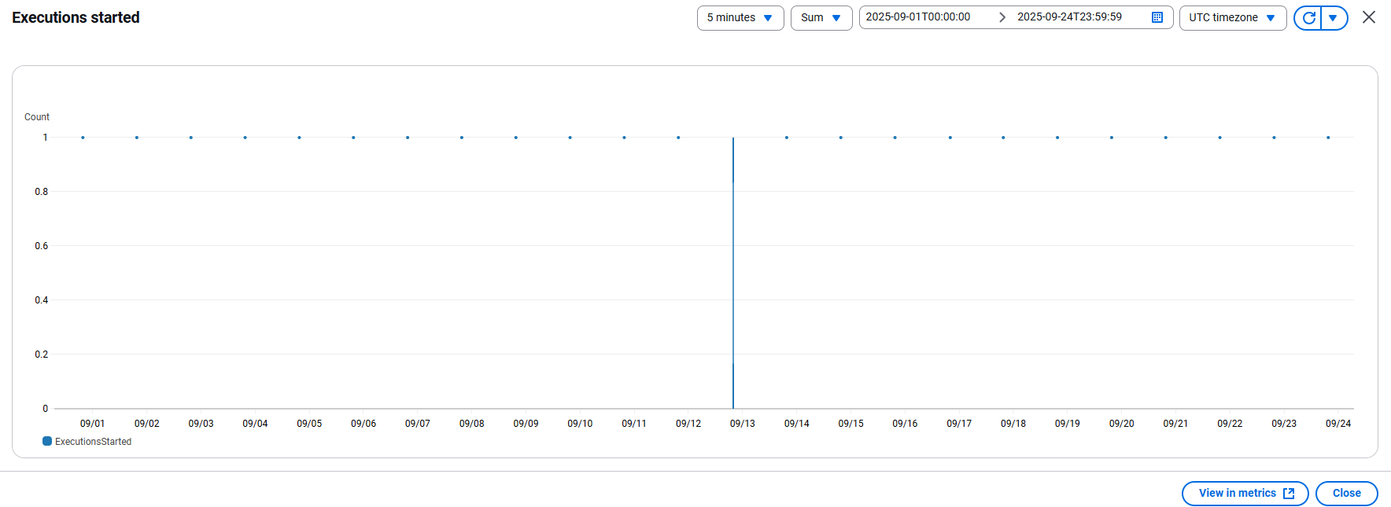

 | 2.2 | Import SG
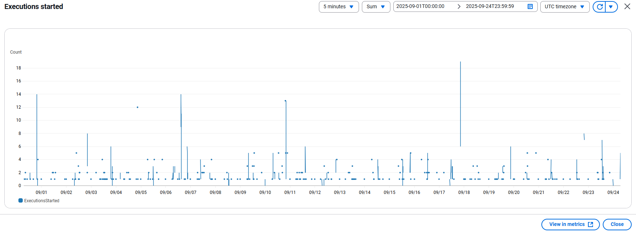

 | 2.3 | Export SG

サーバーの使用状況
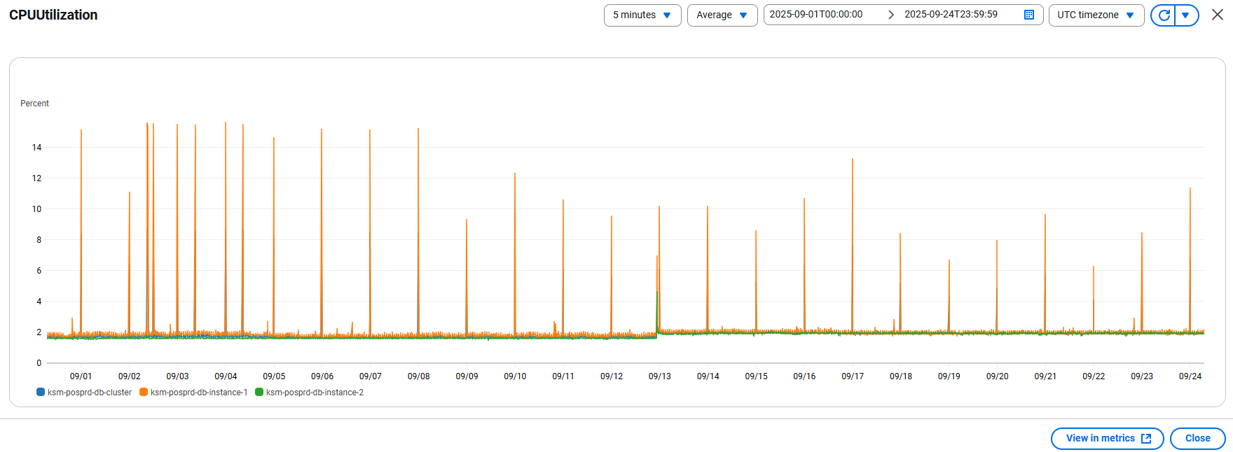
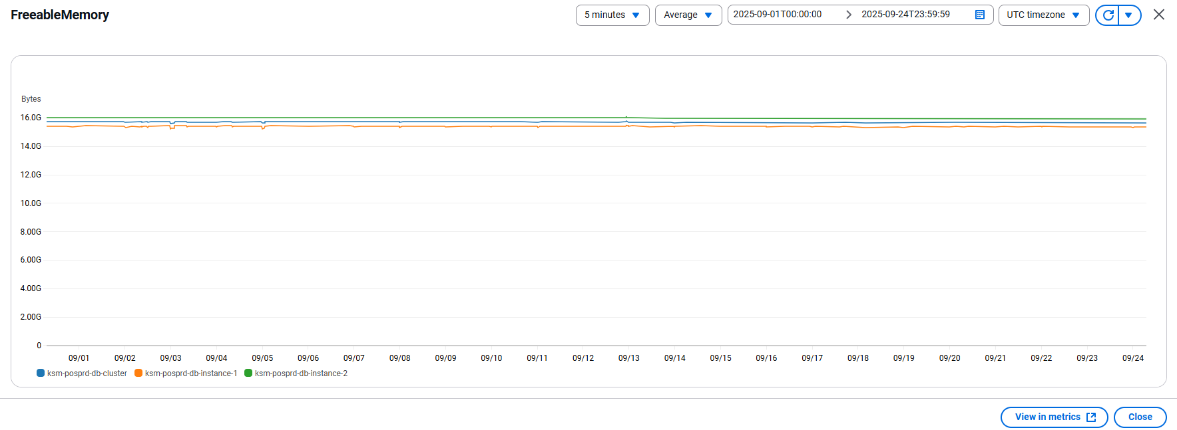
 | サーバーの使用状況報告

1 | 概要
 | 報告期間：
 |  | 2025/09/01 ~ 2025/09/24
 | 対象環境：
 |  | 本番環境
 | 対象リソース：
 |  | イシダ様向けのバッチ処理

2 | ダッシュボード
 | 2.1 | EC2
 |  | ksm-posprd-ec2-instance-bastion
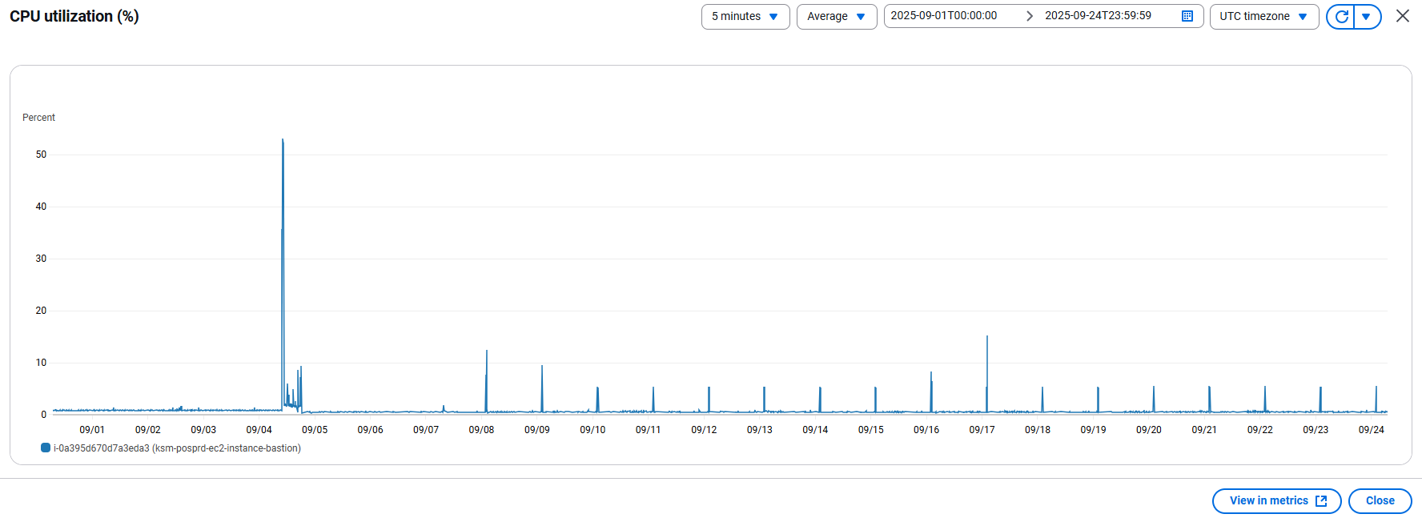

 | 2.2 | ECS
 |  | ksm-posprd-ecs-cluster
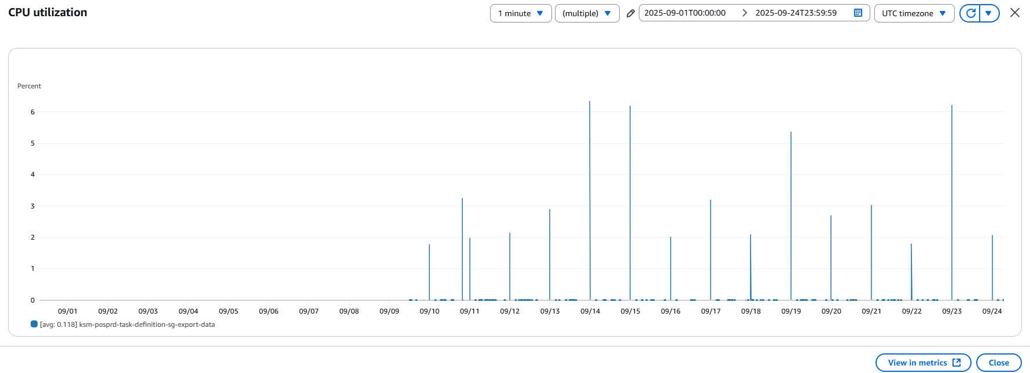

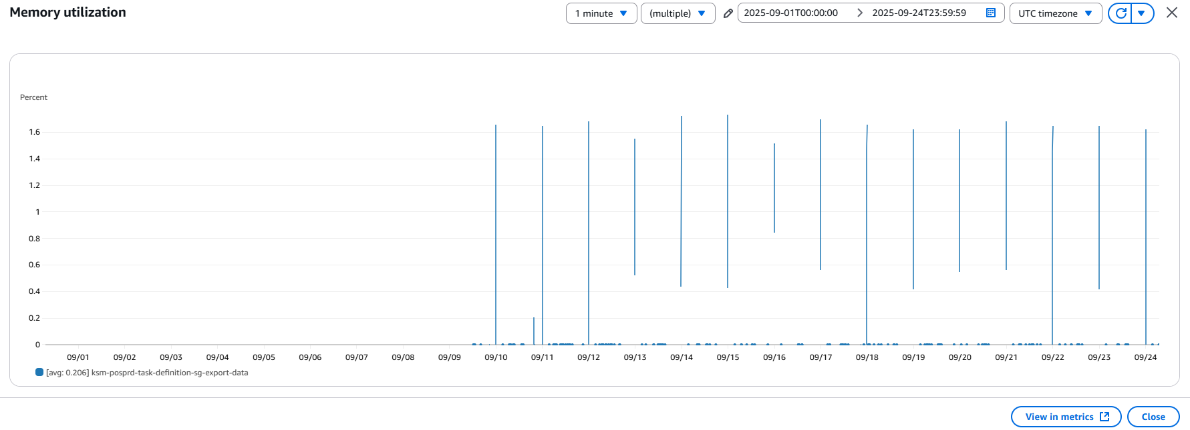

 | 2.3 | RDS
 |  | ksm-posprd-db-cluster

ストレージ使用量
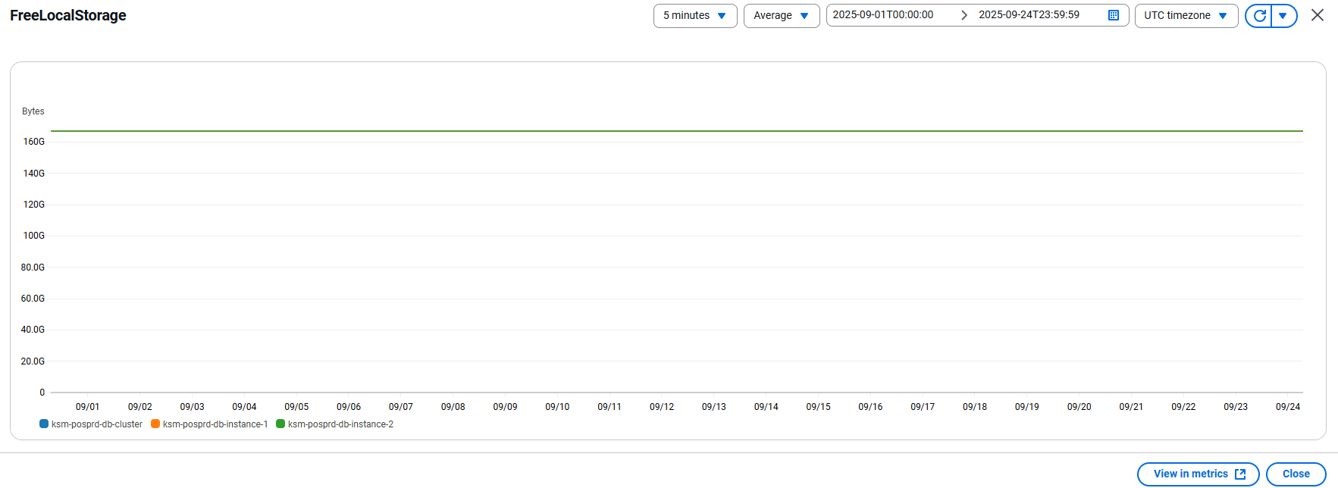
 | ストレージ使用量報告

1 | 概要
 | 報告期間：
 |  | 2025/09/01 ~ 2025/09/24
 | 対象環境：
 |  | 本番環境
 | 対象リソース：
 |  | イシダ様向けのバッチ処理

2 | ダッシュボード
 | 2.1 | S3
 |  | prd-ignica-ksm
 |  |  | Total bucket size

 |  |  | Total number of objects

 | 2.2 | RDS
 |  | ksm-posprd-db-cluster

